1. Title Page
[Instacart Analysis Final Report]

Project Name: Instacart Analysis Final Report
Date: 21.02.2024
Analyst Name: Ezeonyeasi Chibuzo Malachy

Contents:
Population Flow
Consistency checks
Wrangling steps
Column derivations
Visualizations | Data Source:
Recommendations | Kaggle

2. Population Flow
Title page

Population flow

Exclusion flag
Condition: max_order <
Obervations to be removed: *
Final total count of order_products_all: 2000000 rows & 29 columns

Orders_products_combined
Orders_products_merged
Orders_products_all
*Sample dataset of 2000000 was used to complete this task.

For dataframes that had much disruption as a result of memory error, I would indicate "*" in this report.
Total: 1000000 rows & 18 columns
Total: 1000000 rows & 18 columns
Total: 2000000 rows & 29 columns

1.) The grey boxes in the first row of the population flow represent the original data sets as they were when you downloaded them. In the Total fields you need to add the count of the rows when you imported the data set into Jupyter.
2.) The second row of boxes (coloured) represents the data sets after you manipulated them, e.g., removed missing values and duplicates. In the Total fields you need to add the count of the rows after conducting these operations. This offers a visual oveview of how the data flows throughout the data consistency checks.
3.) The third row, where also the arrows are coloured, represents the merges you performed between the datasets. In the Total fields you need to add the count of the rows in the merged datasets, so that you end up with the final dataset (in the red box). Keep in mind the final dataset should be without exclusions (based on the exclusion flag).

3. Consistency checks
 |  |  |  | Title page
Consistency checks

Dataset | Missing values | Missing values treatment | Duplicates
orders | days_since_prior_order (206209 rows) | Replace with NaN | No duplicates
products | Product_name (16 rows) | Replace with NaN | 5 duplicates
customers | first_name (11259 rows) | Replace with NaN | No duplicates

4. Wrangling steps
 |  |  |  | Title page
Wrangling steps

Columns dropped | Columns renamed | Columns' type changed | Comment/Reason
eval_set | order_dow to order_days_of_week | None | df_breakfast was derived from 'df_prods[df_prods['department_id']==14]'
 | First Name to first_name |  | df_dinner_parties was derived from 'df_prods.loc[df_prods['department_id'].isin([5,7,12,20])]'
 | Surnam to surname |  | df_ords_user_id_1 subset was created from 'df_ords.loc[df_ords['user_id']=='1']'
 | Gender to gender
 | STATE to state
 | Age to age
 | n_dependants to number_dependants
 | fam_status to family_status

5. Column derivations
 |  |  |  | Title page

Column derivations and aggregations

In this tab you should add tables below that the frequences of flags/label variables that you produced after deriving them. NB: don't do this for continuous variables, only for flags.
Dataset | New column | Column/s it was derived from | Conditions
orders & products | _merge | df_ords_prods_merge | Merging datasets
orders & products | loyalty_flag | df_ords_prods_merge | derived from loc(). Max order >40 & <10
orders & products | spending_flag | df_ords_prods_merge | Using loc(). Mean_product_price >10 & <10
orders & products | age_flag | df_ords_prods_merge | *
orders & products | order_frequency | df_ords_prods_merge | median_days_between_orders >20 & <10.
customer, orders & products | Busiest day & days | df_ords_prods_cust | from orders_day_of_week
orders & products | busiest_period_of_day | df_ords_prods_merge | from orders_hour_of_day

For dataframes that had much disruption as a result of memory error, I would indicate "*" in this report.

6. Visualizations
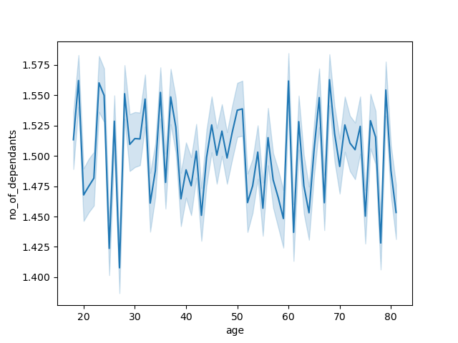
 |  | Title page

Visualisations

In this tab you should include all the visualtions from Exercises 4.9 and 4.10, alongside the questions from the project brief that they answer. Include any commentary on the relationship between different variables.

1 | The sales team needs to know what the busiest days of the week and hours of the day are (i.e., the days and times with the most orders) in order to schedule ads at times when there are fewer orders.


2 | What different classifications does the demographic information suggest? Age? Income? Certain types of goods? Family status?
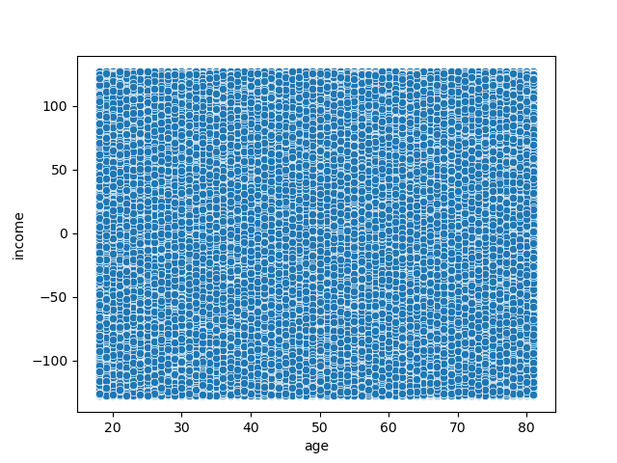

3 | Are there differences in ordering habits based on a customer’s loyalty status?
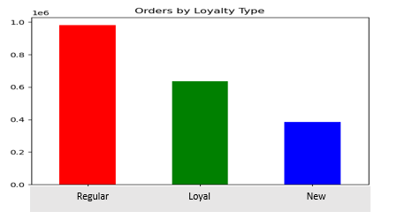

4 | The sales team needs to know what the busiest days of the week and hours of the day are (i.e., the days and times with the most orders) in order to schedule ads at times when there are fewer orders.

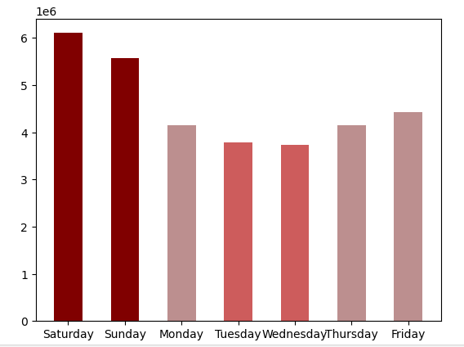

5 | What different classifications does the demographic information suggest? Age? Income? Certain types of goods? Family status?

7. Recommendations
 |  |  |  | Title page

Recommendations

In this tab you should include any recommendations you would made to Instcart in terms of their marketing strategy based on the questions posed in the brief. Every key question has been covered in the Tasks of the Exercises - here you need to add an item - a visualisation or table/crosstable that is showing the answer in the data, acompanied by a comment from you. Please, list the questions below and add the answer underneath.

Regular Loyal New
 | Question |  | Answer
1 | 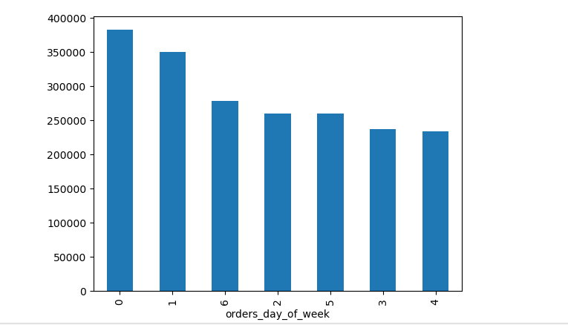 What is the order day of the week? |  | Saturday and Sunday have the highest orders. The sale management is expected to have stocks available on the days.
2 | 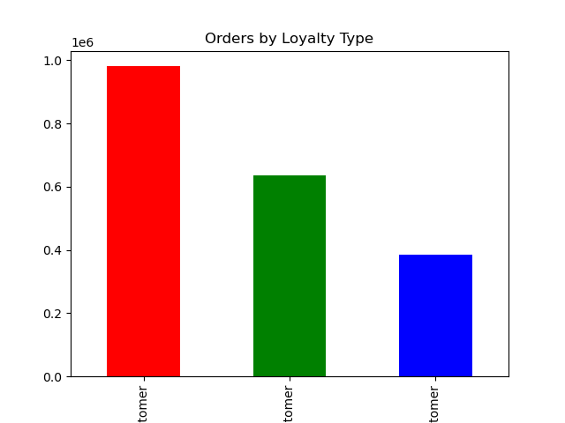 What is the rate of orders by loyalty type? |  | Regular customers have the most orders while new customers have the least. There should be periodic or seasonal incentives to motive and appreciate regular customers. Ther should be discount to attract new customers.
3 | In the busiest periods, how is the order range? |  | The Most orders is over 21 million. The insta app should be made to work effectively so as not to interupt the order at these busy hours.
4 | What is the order hour frequency |  | I created a histogram with 24 bins with each hour of the day having its own bin. The histogram represents the frequency of orders for each hour of the day. The technical team should find ways to strengthen the app and be ready to address any freeze that occur during the busy periods.
5 | What is the price range?

